EDR- EII Projects
El Dorado EII Improvement Projects |  |  | DATE | Baseline: 124 EII
Category | Description | NFG | Lead | TIC | M BTU/D | EII Reduction Estimate | CO2 Reduction (Metric Ton/yr) | Savings USD/YR | Status | Update (10/30/20)
Fuel Gas | Repair Atmospheric Heater Air Preheater | F4 | Erin Reed | TBD | 367 | 1.05 | 5,531 | 500,000 | Reviewing Inspections | Currently the system is blined and was not upgraded with CDU expansion. Path forward is to schedule internal inspection. Process will reach out t to OEM to review design basis and compare to current operation. Update process information and provide to Reliability. Process controls is reviewing control scheme for defect elemintation.
Fuel Gas | Repair Vacuum Heater Air Preheater | F4 | Aan Woodyard | TBD | 225 | 1.05 | 5,531 | 300,000 | Reviewing Inspections | Currently the system is blinded. Path forward is to schedule internal inspection. Review preheater sizing and compare to current firing duty. Review RCFA's for rotating companents, operations reported continious vibration issues.
Fuel Gas | Hot Feed to FCC | F4 | Cody Dykes | TBD | 96 | 0.3 | 1,580 | 100,000 | On Hold | Hot feed to FCC would require modifications to current slurry circuit train.
Fuel Gas | Hot LCO Feed to DHT | F4 | Cody Dykes | TBD | 139 | 0.5 | 2,634 | 200,000 | In progress | Bypassing the LCO Product cooler will save us 2.96 MMBTU/hr on the FCC cooling tower. However, this would not be realized (we are already near wet bulb temperature) and would result in very small decreases in variable speed fin fan at best. There would be no realized savings on the DHT end as they are operating the feed preheater with the product bypass closed (so we would likely just heat the product up more by bypassing my cooler resulting in more Haze issues for them). At this point, I would recommend no changes. Path forward is to quantify savings of shutting down LCO pumps at the tank farm and compare to cost of upgrading DHT product cooling exchangers.
Electricity | Shutdown LCO Pruduct Pump and Gravitate to Tankage | F1 | Cody Dykes | None | TBD | TBD | TBD | TBD | In progress | Reviewing historcal FCC rates that actually require the pump to be in service. When required rates are identified DCS run status/alarms will be added.
Fuel Gas | Improve #9 1 to 1 Exchanger Efficiency | F4 | Ivan Varela | TBD | 273 | 1 | 5,268 | 1,000,000 | In progress | Approved online cleaning procedure (PNA Wash). Online wash will take place on the week of Nov. 23rd. Also approved chemical cleaning during T/A.
Electricity | Improve Delaval Efficiency | F4 | Nick Ardoin | TBD | 15 | 0.1 | 527 | 30,000 | On hold | (.22 MW reduction in refinery power demand) Reliability provided current operating points to CCC for recommendation on adjustsments to operating lines to reduce compressor spillback and increrase efficiency while maintaing a safety marging from the surge curve.
Electricity | Improve WGC Efficiency | F4 | Nick Ardoin | TBD | 52 | 0.1 | 527 | 70,000 | On hold
Fuel Gas | Improve CDU Preheat Ex. Performance | F2 | Erin Reed | TBD | 1,374 | 4.9 | 25,813 | 1,900,000 | In progress | Process engineering developed exchanger monitoring tool. Path forward is to prioritze exchanger cleaning based on fouling to decrease PF & Atmospheric Heater firing rates.
Steam | Reduce Steam letdown by 40 MLB/HR | F2 | Erin Reed | TBD | 190 | 0.7 | 3,688 | 300,000 | In progress | Developing steam balance page.
Steam | Boiler 18 Economizer | F2 | Chris Thomas | 118,000 | 216 | 0.75 | 3,951 | 165,000 | CR Submitted | Submitted CR to complete during 2021 TA event. Alternative is to shedule a boiler outage post FCC- WHB repair. CR pending approval.
Steam | Boiler 19 Economizer | F2 | Chris Thomas | 118,000 | 216 | 0.75 | 3,951 | 165,000 | CR Submitted | Submitted CR to complete during 2021 TA event. Alternative is to shedule a boiler outage post FCC- WHB repair. CR pending approval.
Steam | Steam Trap Management | F1 | Cody Dykes | 10,000 | 399 | 1 | 5,268 | 202,356 | In progress | Developed steam trap management procedure. Met with Armstrong to review RFID tag technology and Armstrong testing tool. Selected 6/9/25 complex as pilot area.
Electricity | Power Factor Monitoring | F1 | Luis Ovalle | NA | TBD | TBD |  | 140,023 | Complete | Power factor notification going to Luis Ovalle. Power factor savings are avaraging $33,000/month. PWR submitted for further capacitor upgrades.
Steam | FCC Waste Heat Boiler Repair | F3 | Ivan Varela | 2,397,000 | 840 | 2 | 41.9 | 643,800 | Approved | Approved for replacement during 2021 TA.
Steam | N. PF Reboiler Steam Coil | F3 | Tom/Erin | 120,000 | 72 | TBD | 3.5 | 65,000 | Approved | Based on current firing rates, we can expect to recover an additional 2.4 – 3 MMBTU/hr if the steam economizer were repaired. Added to 2021 T/A scope.
Steam | Reduce Naphtha Reprocessing | F1 | Eric O'toole | TBD | TBD | TBD |  | TBD | In progress | Optimize NHT Stripper OH temperature to reduce OH liquid yield to 536 TK.
Steam | Heater O2 Management | F1 | Alan Woodyard | TBD | TBD | TBD |  | TBD | In progress | Deloping DCS screens and alarm strategy for heater excess 02%. Screen will have UCL & LCL and will notify shift team to take action.
Steam | Pilot Gas Pressure Review | F1 | David Sampson | TBD | TBD | TBD |  | TBD | In progress | Process Eng. compiling pressure survey data. Path forward is to compare results to pilot design and quanitfy any reductions.
79 | LPG RVP Management (LPG Tower Heat Balance) | F1 | Eric O'toole | TBD | TBD | TBD |  | TBD | In progess | Monitoring sheet developed and reported weekly at oil flow meeting. #14 DEP OH bundles cleaned late Sep. 2020. Need to translate RVP optimizations to tower reboiler turndown and creating PI tags for quality watch targets.
Electricity | Automatic Lights (Photo Cells) | F3 | Luis Ovalle | 150,000 | 3,500 | TBD |  | 24,570 | In progress | Evers provided quote to install/repair exisiting photocells. Path forward is to break out implementation by unit and utilize internal resources. | uo
Fuel Gas | Natural gas flow meter to Boiler Burners | F1 | Chris Thomas | 10,857 |  |  |  |  | In progress | MOC routed to install a flow meter. Orifice and meter were purchased. Prioritizing install thourgh routine maintenace. Scheduled for week of 11/9.
Electricity | Ozone generator operation |  | Cody Dykes | TBD | TBD | TBD | TBD | TBD | On Hold | Update (9/21) No benefit. Intentionally increasing the conversion factor to reduce oxygen consumption.
Electricity | FGRU Compressor Staging | F3 | Allen Lehman | TBD | 61,418 | TBD | 3,200 | 3,621,734 | In progress | MOC routed to place pressure balance CV between HP/LP flares. If approved the plan is to utilize one set of flare gas recovery compressors. Currently we operate 6 compressors at all times. In parallel, the Flare Team is looking for flare gas reduction oppportunities. Electrical usage of each compressor is 6080Kwh/day. Goal is to only run 3 compressors.
Electricity | Routing RO Reject Water to Fire Water Tank vs WWTP | F3 | Allen Lehman | 12,312 | TBD | TBD | TBD | 180,000 | Ready to Schedule | In the process of quantifying electrical savings. Noted benefits are from reduced river water purchases. Also ESG benefit of discharging less waste water to Ouchita River.
Steam | Move 20 Boiler to Electric Motor | F2 | Allen Lehman |  |  |  |  |  |  | 20 MPPH of steam savings
Fuel Gas | Route Vac OH liquid to DHT vs recycling to CDU | F3 | Dale Blankely | 37,000 | TBD | TBD | TBD | 3,100,000 |  | PWR submitted to route Vac OH to distialle storage. Process Eng. to quantify BTU savings captured by elimitating recycle back to CDU.
Fuel Gas | H2 Plant Boiler Blowdown Reduction | F2 | Allen Lehman | TBD | 30.1 MMBTU/DAY | TBD | 580 | 32,850 | In progress | Conduted cold eye review of BFW manageement with Suez. Path forward is reduce blowdown to a 50 cycle operation by reducing silica concentraintion going to H2 Plant. Current is avarage is .85 ppm versus Suez recommendation of .6 PPM. Awaiting corrective action plan from MPW ( BFW service provider).
Steam | C3/C4/C5 Losses to Fuel System - | F3 | Eric O'toole | TBD | TBD | TBD |  | 10,220,000 | In progress | LPG Losses to fuel YTD avarage is 28k/day (1.8 MBPD). Monitoring tool developed and bad actors identified. Nex step is to perform tower heat balances and verify OH condenser efficiencies. (#14 Sponge Gas Absorber,#9 Plat Stabilizer, #14 DEP) #14 DEP exchangers cleaned 10/2020. Captured savings of $2,500/Day.
 | TOTAL |  |  |  |  | 14.2 | 62,827 | 22,895,333

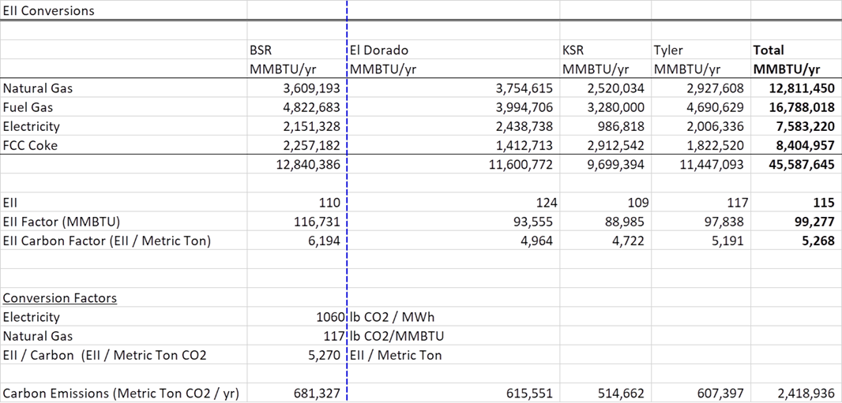

Purchased Electricity to equivalent energy |  | 9,090 Btu/kWh

NG $/MMBTU | 2.52

 | Arkansas, the CO2 factor is 0.5631 mtCO2/MWh.

Feasibility Grid
F2
F1

RVP Optimization

Power Factor Improvement (Capacitor Repairs)
H2 Boiler Blowdown Reduction
Excess 02 Management

Pilot Gas Survey
CDU Pre-Heat Monitoring
Reduce Steam Letdown 40 MPPH
Shutdown LCO Product Pumps
FGRU Compressor Staging
Reduce Naphtha Re-processing
Reduce H2 Boiler Blowdown Rate

B-18 Economizer
B-19 Economizer
Re-route RO Reject Water
Steam Trap Management

WGC Efficiency Improvements
Ozone Generator Turn Down
Reduce Supplemental NG to Boilers

Route Vac OH to Distillate Pool
N. PF Reboiler Steam Coils
Hot Feed to DHT
Delaval Efficiency Improvements

Reduce LPG Losses to Fuel
Unit Photo Cells
CDU Air-Preheater
Reformer -Texas Tower

F4
F3

VDU Air Pre-Heater

WHB Replacement
Hot Feed to FCC

Project Charter
